DW BALI (Alcohol)
DATE | INV NO. | DESCRIPTIONS | AMOUNT | BILLS | PRICE | TOTAL
6-Feb-2026 | DW/71/873 | JIM BEAM BLACK 700 ML | 2 | 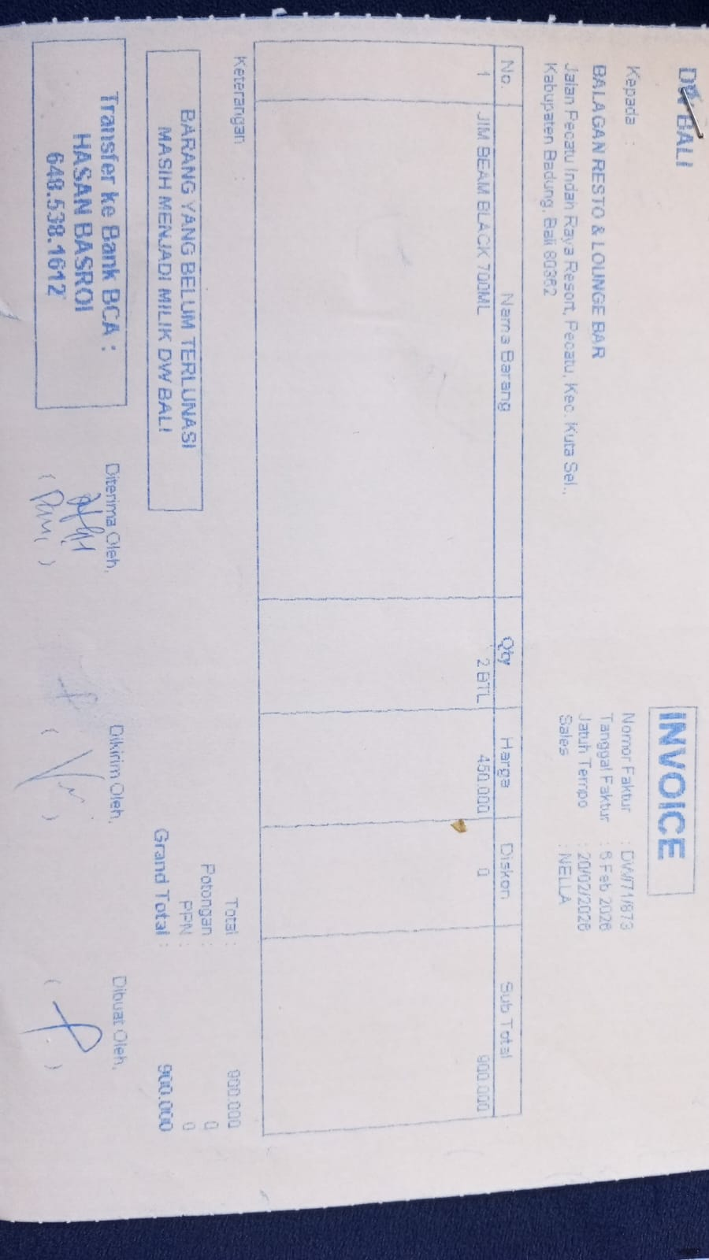 | Rp450,000 | Rp900,000
18-Feb-2026 | DW/72/553 | APEROL 700 ML | 3 | 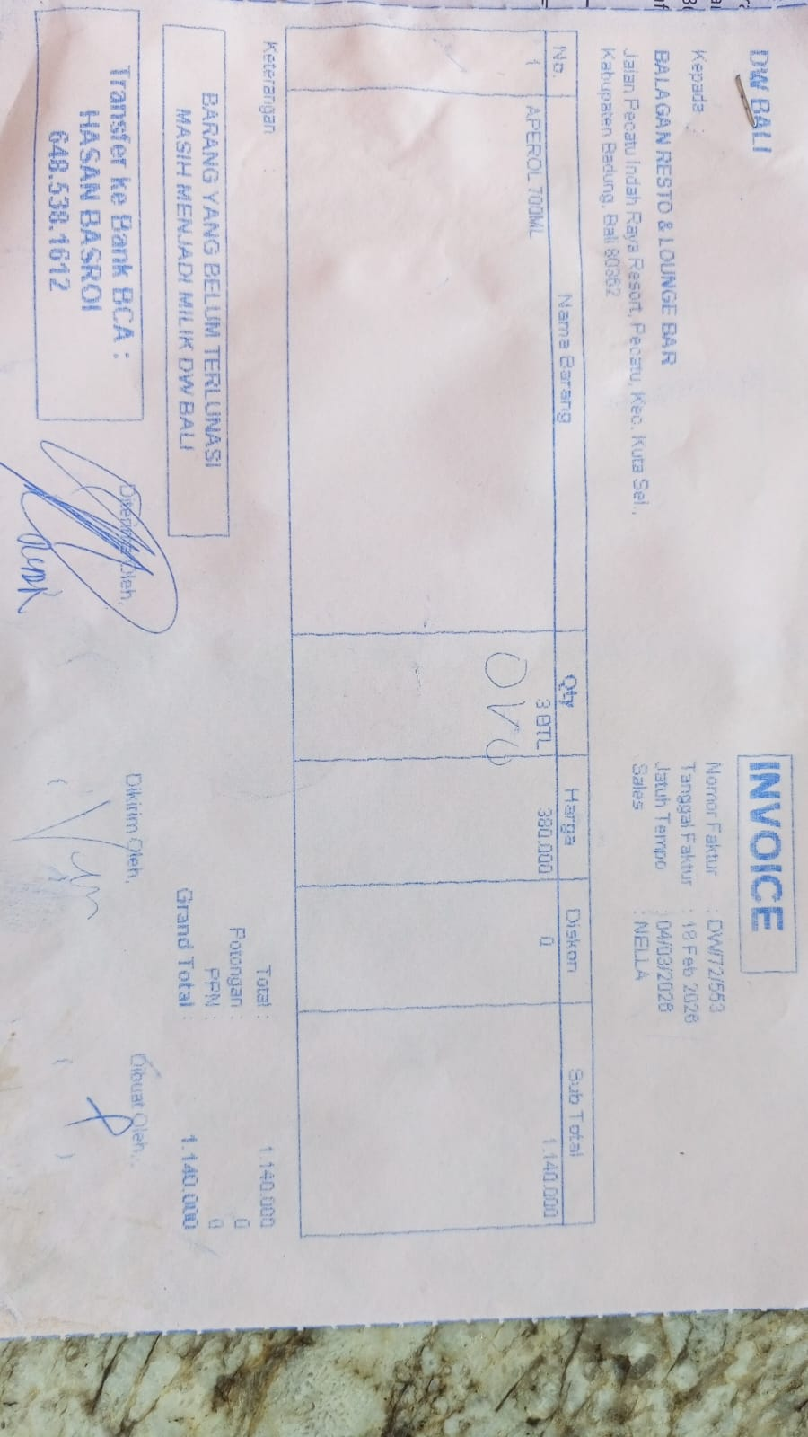 | Rp380,000 | Rp1,140,000
21-Feb-2026 | DW/72/717 | GREY GOOSE VODKA 750 ML | 1 | 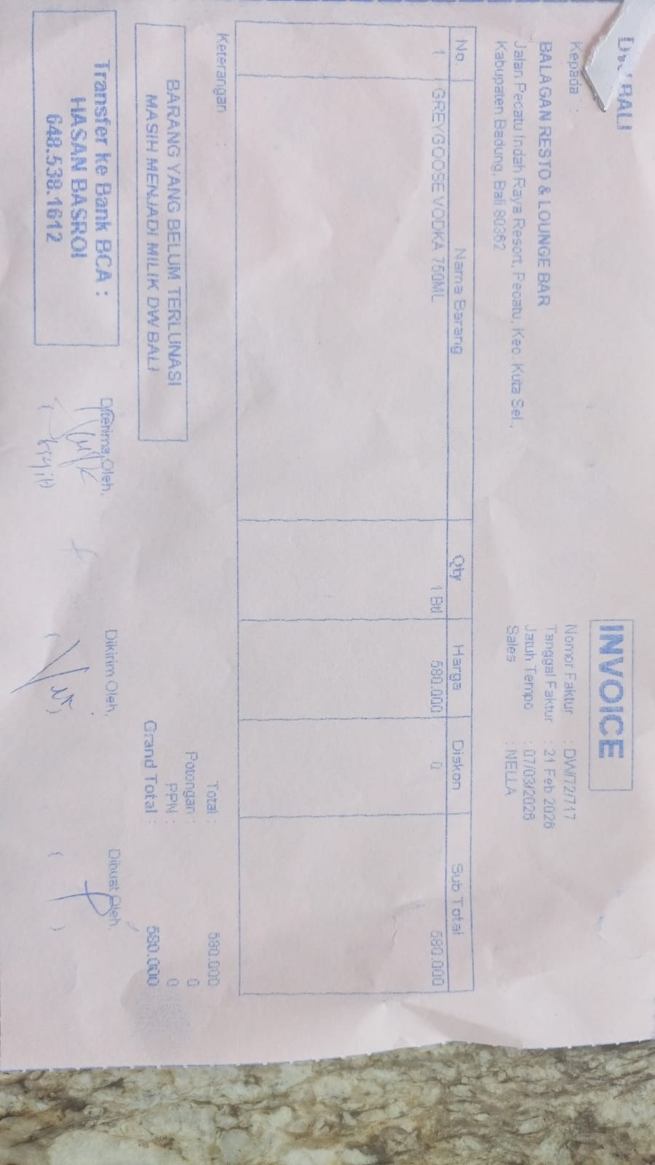 | Rp580,000 | Rp580,000
 |  |  |  |  |  | Rp-
GRAND TOTAL |  |  |  | Rp2,620,000

